Indices

 | Iraq Stock Exchange
 | Bulletin No (107)
 | ISX Trading Indices of Monday 22/6/2026

 | Traded Volume and OTC |  | 1,209,575,835 |  | Traded Value and OTC |  | 19,670,886,383 |  | Traders | 1908
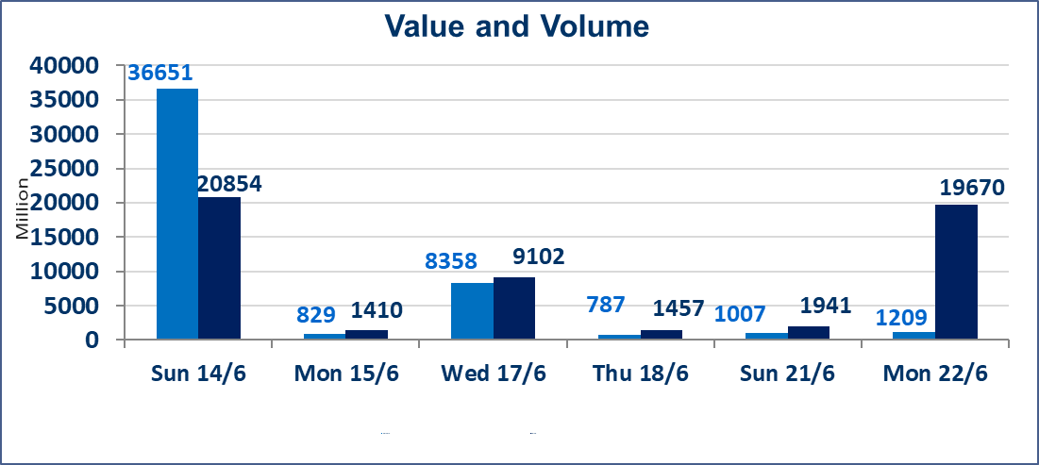
 | ISX Index 60 |  |  | 1019.71 | ISX Index 15 |  |  | 1285.16
 | Previous ISX Index60 |  |  | 1015.04 | Previous ISX Index15 |  |  | 1287.07
 | Change % |  |  | 0.46 | Change % |  |  | -0.15
 | Change |  |  | 4.67 | Change |  |  | -1.91

 | Listed Companies | 103 | OTC | 14 | Non Traded listed | 44 | OTC | 13
 | Traded Listed Companies | 45 | OTC | 1 | Higher Companies |  |  | 9
 | GAM Companies |  |  | 3 | Lower Companies |  |  | 18
 | Suspended Companies |  |  | 11
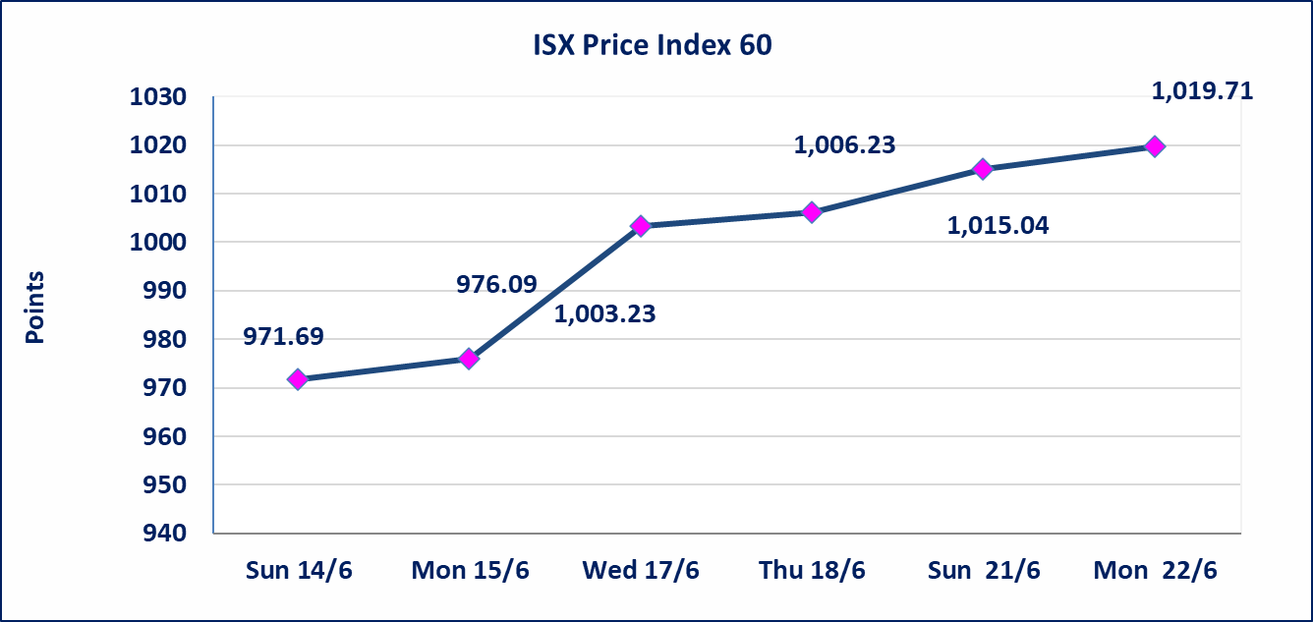
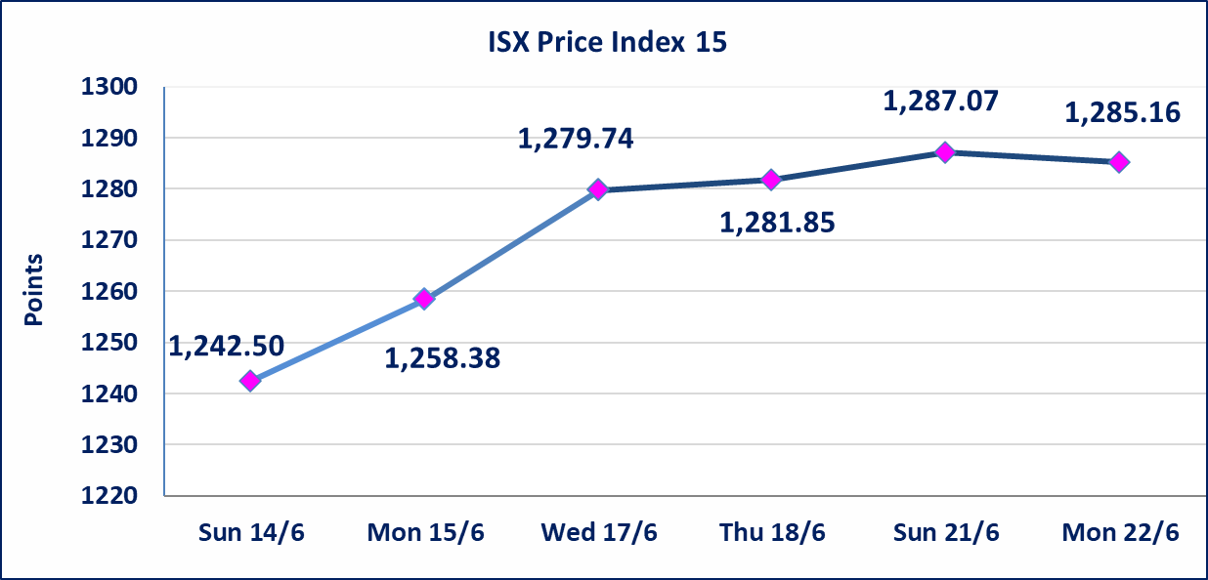

special orders |  | Al-Karmel Brokerage Company executed a deliberate cross order on the shares of Palestine Hotel Company with a number of shares (316,167,559) shares, and a value of (5,887,039,948) dinars, during the additional session time (after 1 pm) in accordance with the procedures for executing large transactions.
special orders |  | Al-Karmel Brokerage Company executed a deliberate cross order on the shares of Al-Mansour Hotels Company with a number of shares (186,000,000) shares, and a value of (12,103,020,000) dinars, during the additional session time (after 1 pm) in accordance with the procedures for executing large transactions.
Al-Alwiya P.O . 3607 Mobile: 07711211522 - 07270094594 - 07834000034 E-mail: info-isx@isx-iq.net Web site:www.isx-iq.net

Top 5
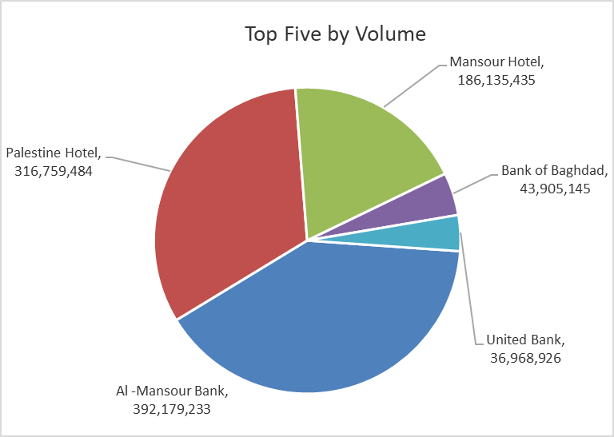
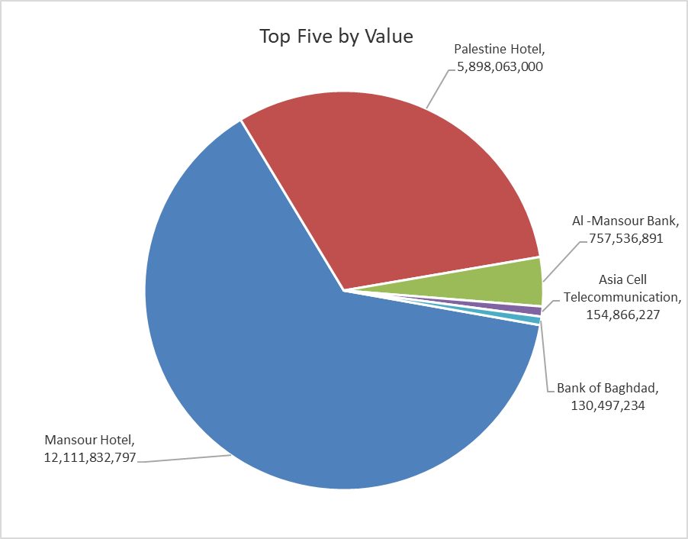

ISX top ganing and losing companies
Monday 22/6/2026
 | Gainers |  |  |  | Losers
 | Company Name | Closing Price | Change (%) | Traded Volume | Company Name | Closing Price | Change (%) | Traded Volume
 | Rehab Karbalaa | 0.660 | 20.00 | 20,000 | Iraq Noor Islamic Bank for Investment | 0.230 | -4.17 | 151,381
 | Kurdistan International Bank | 1.200 | 9.09 | 6,713 | Ashur International Bank | 0.280 | -3.45 | 3,674,959
 | Mansour Hotel | 65.010 | 8.35 | 186,135,435 | Baghdad Hotel | 12.000 | -3.23 | 3,648,775
 | National for Tourist Investment | 9.000 | 4.65 | 10,000 | Al-Hamraa for Insurance | 5.200 | -2.80 | 1,312
 | Bank of Baghdad | 3.020 | 3.78 | 43,905,145 | Gulf Commercial Bank | 0.350 | -2.78 | 25,080,765
 | The most active companies in term of traded volume and value

 | Traded Volume |  |  |  | Traded Value
 | Company Name | Closing Price | Change (%) | Traded Volume | Company Name | Closing Price | Change (%) | Traded Value
 | Al -Mansour Bank | 1.940 | 0.52 | 392,179,233 | Mansour Hotel | 65.010 | 8.35 | 12,111,832,797
 | Palestine Hotel | 18.500 | -0.80 | 316,759,484 | Palestine Hotel | 18.500 | -0.80 | 5,898,063,000
 | Mansour Hotel | 65.010 | 8.35 | 186,135,435 | Al -Mansour Bank | 1.940 | 0.52 | 757,536,891
 | Bank of Baghdad | 3.020 | 3.78 | 43,905,145 | Asia Cell Telecommunication | 16.950 | -0.18 | 154,866,227
 | United Bank | 0.060 | 0.00 | 36,968,926 | Bank of Baghdad | 3.020 | 3.78 | 130,497,234

Non Iraqis

Iraq Stock Exchange
Non Iraqis' Bulletin Monday Jun 22 2026
Regular Market

Non Iraqi Trading of Regular Market (Buy)
Company Names | Code | No.of trades | Traded Shares | Trading Volume
Banks Sector
Bank Of Baghdad | BBOB | 1 | 50,000 | 148,500
Iraqi Islamic Bank | BIIB | 4 | 4,090,983 | 4,418,262
Al-Mansour Bank | BMNS | 26 | 150,046,380 | 290,044,418
Total Bank sector |  | 31 | 154,187,363 | 294,611,179
Grand Total |  | 31 | 154,187,363 | 294,611,179

Non Iraqi Trading of Regular Market (Sell)
Company Names | Code | No.of trades | Traded Shares | Trading Volume
Telecommunication Sector
Asia cell | TASC | 38 | 1,500,000 | 25,470,562
Total Telecommunication sector |  | 38 | 1,500,000 | 25,470,562
Grand Total |  | 38 | 1,500,000 | 25,470,562

Not Trading Bonds

Iraq Stock Exchange
Monday 22/6/2026
Not Trading Bonds Bulletin
Bond type | Publish type | Code | last trading price | immortilize date
Banaa Bonds /Million ID | Second | CB20 | 964,981 | 19/12/2025
Eamar Bonds /Million ID | First | CB30 | 1,001,095 | ــــــــــــــــ
Eamar Bonds /Million ID | Second | CB40 | ــــــــــــــــ | ــــــــــــــــ
Eamar Bonds /500 Thousand ID | Third | CB45 | ــــــــــــــــ | ــــــــــــــــ
Eamar Bonds /Million ID | Third | CB50 | ــــــــــــــــ | ــــــــــــــــ
Injaz Bonds /500 Thousand ID | First | CB55 | ــــــــــــــــ | ــــــــــــــــ
Injaz Bonds /Million ID | First | CB60 | 951,110 | ــــــــــــــــ
Injaz Bonds /500 Thousand ID | Second | CB65 | 511,000
Injaz Bonds /Million ID | Second | CB70 | 965,050 | ــــــــــــــــ
Injaz Bonds /500 Thousand ID | Third | CB75 | ــــــــــــــــ | ــــــــــــــــ
Injaz Bonds /Million ID | Third | CB80 | 978,182 | ــــــــــــــــ
National Bonds/Million ID | First | CB90 | ــــــــــــــــ | ــــــــــــــــ
National Bonds/500 Thousand ID | Second | CB95 | ــــــــــــــــ | ــــــــــــــــ
National Bonds/Million ID | Second | CB100 | ــــــــــــــــ | ــــــــــــــــ

